Architecture
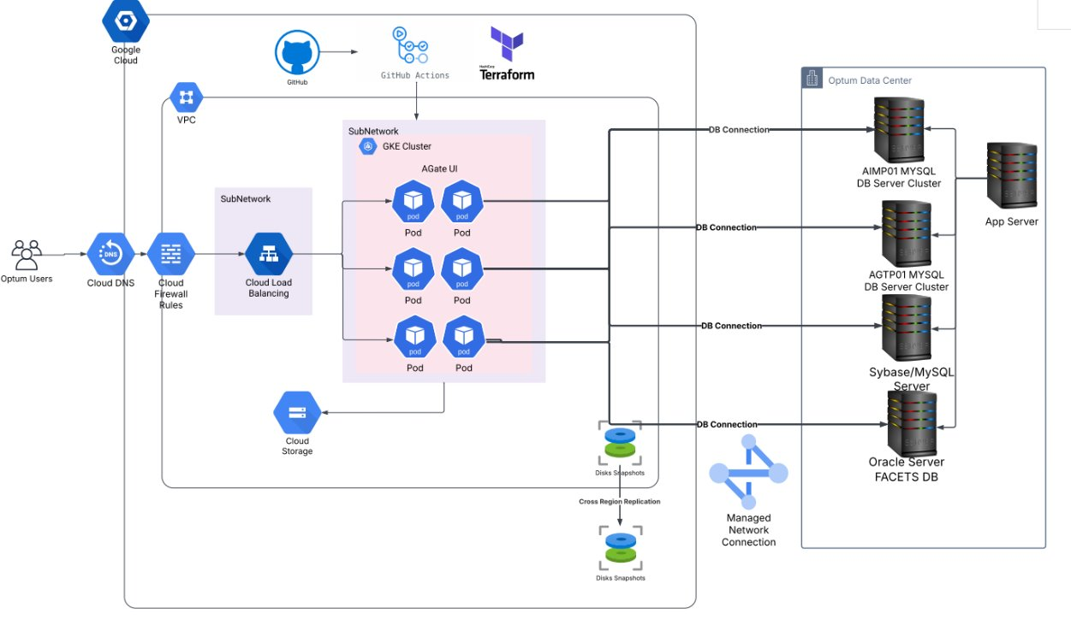
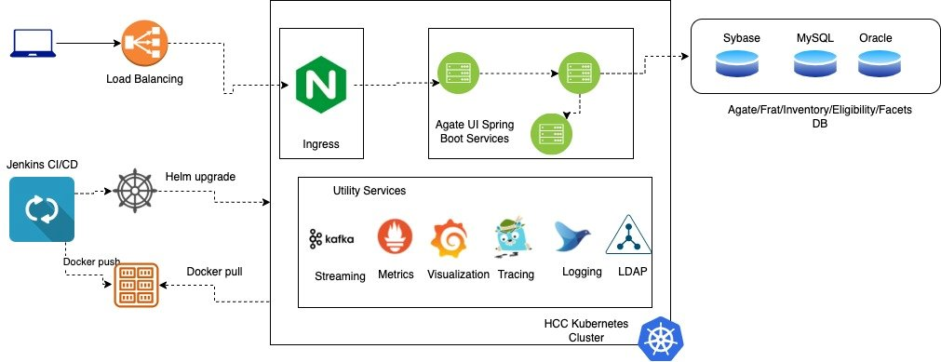

 | Target Architecture
Current State Architecture

 |  | Target State Architecture

